Forecasts - All
PROYECCIONES DE INFLACIÓN (DE AQUÍ A 12 MESES) - LATINOAMERICA Y EL CARIBE

Fecha | CAR13 | limite inferior | limite superior | CEN10 | limite inferior | limite superior | R01 | limite inferior | limite superior | R02 | R07 | SUR10 | limite inferior | limite superior
2024-01-01 | 5.06 | 2.71 | 7.42 |  |  |  |  |  |  |  | 5.06
2024-02-01 | 6.1 | 2.95 | 9.25 |  |  |  |  |  |  |  | 6.1
2024-03-01 | 6.19 | 3.04 | 9.34 |  |  |  |  |  |  |  | 6.19
2024-04-01 | 6.34 | 3.19 | 9.49 |  |  |  |  |  |  |  | 6.34
2024-05-01 | 6.18 | 3.03 | 9.33 | 4.38 | 3.94 | 4.87 | 3.99 | 3.47 | 4.59 | 4.03 | 6.18 | 4.07 | 3.37 | 4.81
2024-06-01 | 6.11 | 2.96 | 9.25 | 4.68 | 3.89 | 5.59 | 3.95 | 3.18 | 4.9 | 3.98 | 6.11 | 4.3 | 3.19 | 5.53
2024-07-01 | 6.04 | 2.9 | 9.19 | 4.78 | 3.75 | 6.03 | 3.95 | 2.97 | 5.23 | 3.96 | 6.04 | 4.2 | 2.75 | 5.86
2024-08-01 | 6.03 | 2.88 | 9.17 | 4.64 | 3.47 | 6.12 | 3.97 | 2.8 | 5.58 | 3.96 | 6.03 | 4.06 | 2.32 | 6.14
2024-09-01 | 5.82 | 2.67 | 8.97 | 4.58 | 3.29 | 6.25 | 3.99 | 2.66 | 5.93 | 3.97 | 5.82 | 3.98 | 1.97 | 6.45
2024-10-01 | 5.82 | 2.68 | 8.97 | 4.67 | 3.24 | 6.56 | 4.01 | 2.54 | 6.27 | 3.98 | 5.82 | 4.1 | 1.81 | 7.01
2024-11-01 | 5.95 | 2.81 | 9.1 | 4.78 | 3.23 | 6.89 | 4.05 | 2.44 | 6.61 | 4 | 5.95 | 4.13 | 1.59 | 7.46
2024-12-01 | 5.92 | 2.77 | 9.07 | 4.61 | 3.02 | 6.82 | 4.09 | 2.36 | 6.95 | 4.03 | 5.92 | 4.15 | 1.39 | 7.88
2025-01-01 |  |  |  | 4.48 | 2.85 | 6.79 | 4.13 | 2.3 | 7.27 | 4.06 |  | 4.24 | 1.24 | 8.38
2025-02-01 |  |  |  | 4.78 | 3 | 7.35 | 4.18 | 2.25 | 7.58 | 4.09 |  | 4.12 | 0.98 | 8.61
2025-03-01 |  |  |  | 4.89 | 3 | 7.64 | 4.22 | 2.21 | 7.87 | 4.13 |  | 4.35 | 0.95 | 9.28
2025-04-01 |  |  |  | 4.85 | 2.92 | 7.72 | 4.28 | 2.19 | 8.16 | 4.17 |  | 4.42 | 0.83 | 9.74

PROYECCIONES DE INFLACIÓN (DE AQUÍ A 12 MESES) - AMERICA LATINA Y EL CARIBE
PROYECCIONES DE INFLACIÓN (DE AQUÍ A 12 MESES) - CENTROAMERICA

PROYECCIONES DE INFLACIÓN (DE AQUÍ A 12 MESES) - SURAMERICA
PROYECCIONES DE INFLACIÓN (DE AQUÍ A 12 MESES) - EL CARIBE

PROYECCIONES DE INFLACIÓN (DE AQUÍ A 12 MESES) - CENTROAMERICA

CAR13
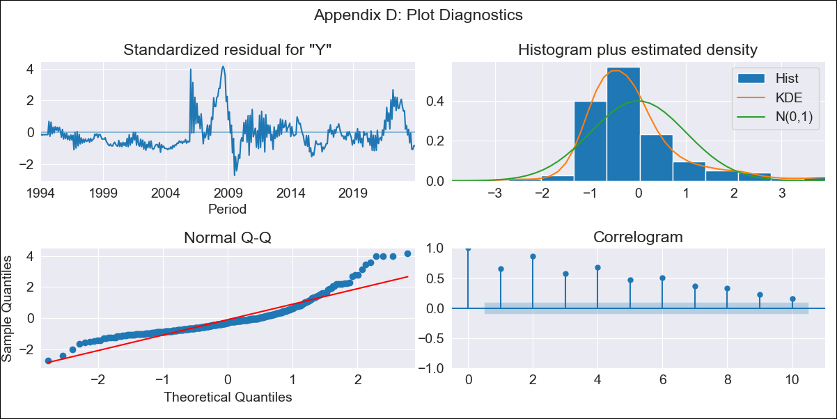
CAR13 - Inflation - Next 12 months forecast as of: 2023-12-01

Model | ARIMA - [(0, 0, 1), (3, 0, 1, 12)]
Training Data | 1991-01-01 to 2023-01-01
Test Data | 2023-01-01 to 2023-12-01

Date | Inflation Change YoY % | Lower Bound - 95% Confidence Interval | Upper Bound - 95% Confidence Interval
2024-01-01 | 5.06 | 2.71 | 7.42
2024-02-01 | 6.1 | 2.95 | 9.25
2024-03-01 | 6.19 | 3.04 | 9.34
2024-04-01 | 6.34 | 3.19 | 9.49
2024-05-01 | 6.18 | 3.03 | 9.33
2024-06-01 | 6.11 | 2.96 | 9.25
2024-07-01 | 6.04 | 2.9 | 9.19
2024-08-01 | 6.03 | 2.88 | 9.17
2024-09-01 | 5.82 | 2.67 | 8.97
2024-10-01 | 5.82 | 2.68 | 8.97
2024-11-01 | 5.95 | 2.81 | 9.1
2024-12-01 | 5.92 | 2.77 | 9.07

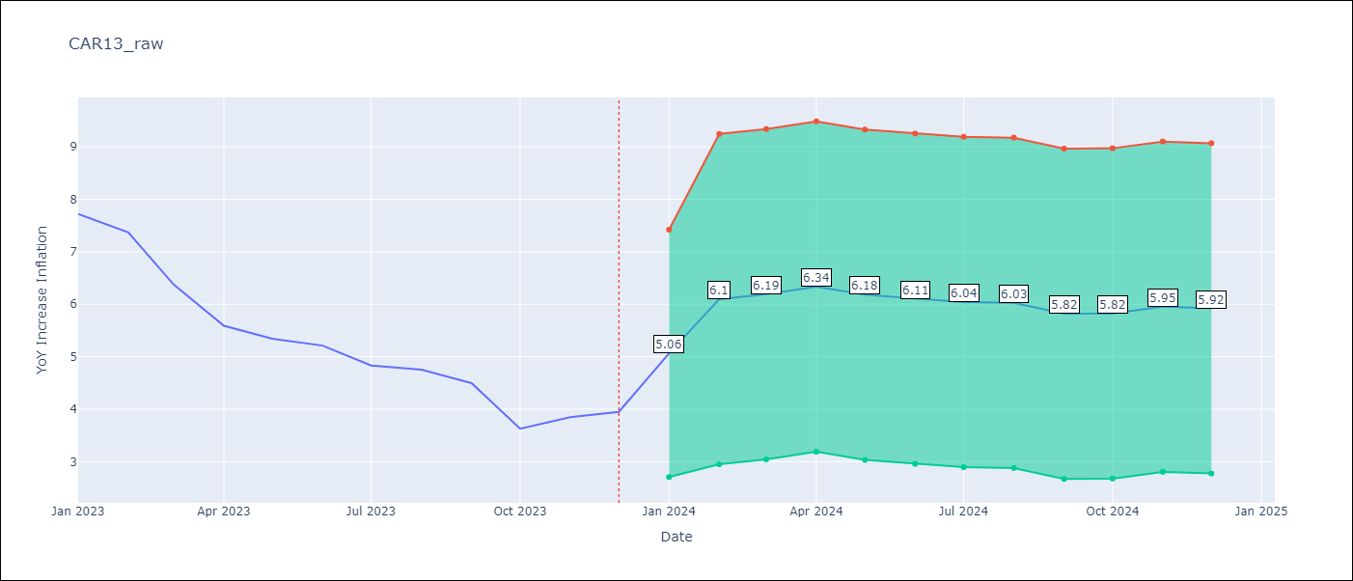

Test Metrics
RMSE | 1.66
Naive RMSE | 0.53
MAPE | 28.61%

Test Predictions
Date | Predicted | Actual
2023-01-01 | 6.12 | 7.72
2023-02-01 | 4.31 | 7.37
2023-03-01 | 4.69 | 6.37
2023-04-01 | 4.86 | 5.59
2023-05-01 | 5.09 | 5.34
2023-06-01 | 5.18 | 5.21
2023-07-01 | 5.47 | 4.83
2023-08-01 | 5.56 | 4.76
2023-09-01 | 5.88 | 4.5
2023-10-01 | 6.11 | 3.63
2023-11-01 | 6.05 | 3.85
2023-12-01 | 5.91 | 3.95

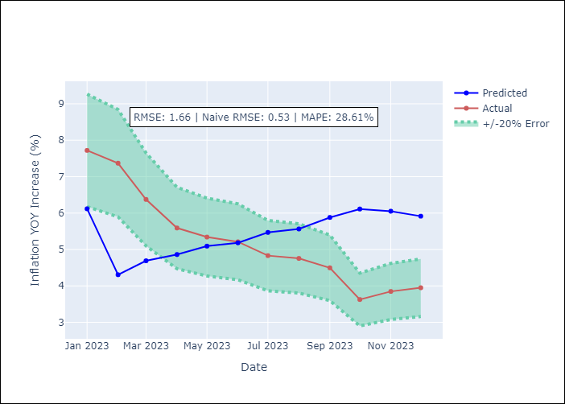

Appendix A: Model Summary
Model | ARIMA(0, 0, 1)x(3, 0, 1, 12)
Sample | 01-01-1991- 12-01-2023
No. of Observations | 396
Terms | P-value (Statistical significance)
const | 0.000
ma.L1 | 0.000
ar.S.L12 | 0.000
ar.S.L24 | 0.055
ar.S.L36 | 0.000
ma.S.L12 | 1.000
sigma2 | 1.000
Assumptions | P-value

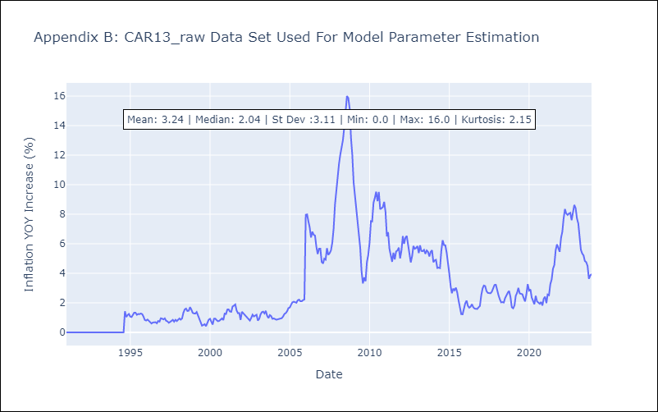

Appendix C: Residuals Analysis
Mean | -0.19

Normal? | No

cen10 _2001
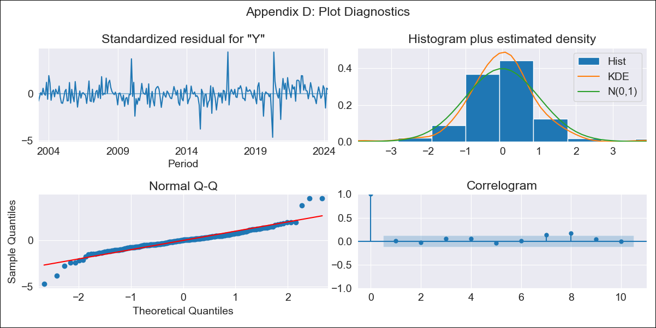
cen10 - Inflation - Next 12 months forecast as of: 2024-04-01

Model | ARIMA - [(3, 0, 0), (2, 0, 2, 12)]
Training Data | 2001-01-01 to 2023-05-01
Test Data | 2023-05-01 to 2024-04-01

Date | Inflation Change YoY % | Lower Bound - 95% Confidence Interval | Upper Bound - 95% Confidence Interval
2024-05-01 | 4.38 | 3.94 | 4.87
2024-06-01 | 4.68 | 3.89 | 5.59
2024-07-01 | 4.78 | 3.75 | 6.03
2024-08-01 | 4.64 | 3.47 | 6.12
2024-09-01 | 4.58 | 3.29 | 6.25
2024-10-01 | 4.67 | 3.24 | 6.56
2024-11-01 | 4.78 | 3.23 | 6.89
2024-12-01 | 4.61 | 3.02 | 6.82
2025-01-01 | 4.48 | 2.85 | 6.79
2025-02-01 | 4.78 | 3 | 7.35
2025-03-01 | 4.89 | 3 | 7.64
2025-04-01 | 4.85 | 2.92 | 7.72

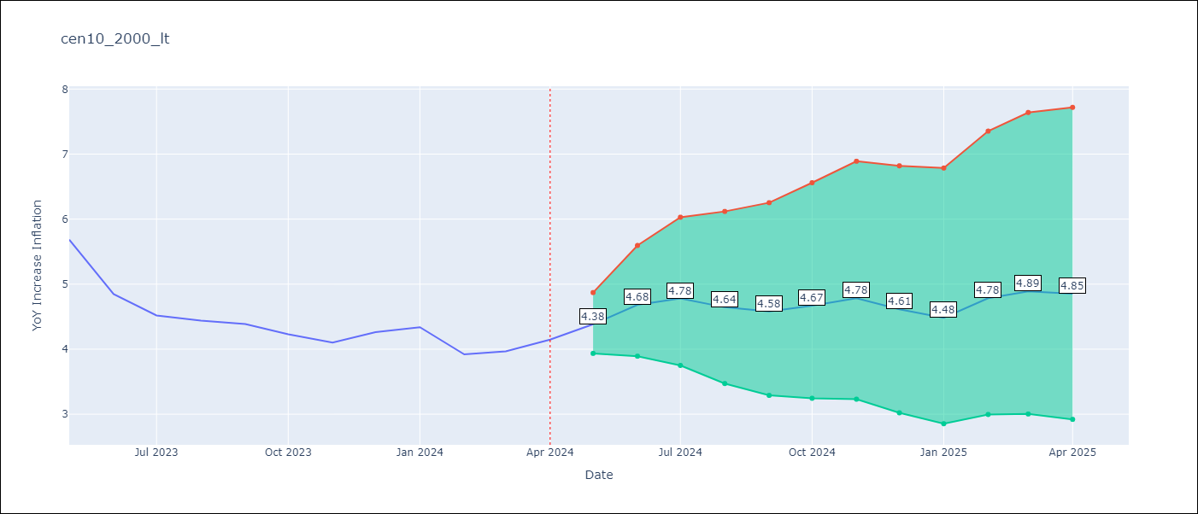

Test Metrics
RMSE | 0.41
Naive RMSE | 0.35
MAPE | 8.66%

Test Predictions
Date | Predicted | Actual
2023-05-01 | 5.89 | 5.68
2023-06-01 | 5.41 | 4.85
2023-07-01 | 5.19 | 4.52
2023-08-01 | 4.92 | 4.44
2023-09-01 | 4.72 | 4.39
2023-10-01 | 4.64 | 4.23
2023-11-01 | 4.58 | 4.1
2023-12-01 | 4.56 | 4.26
2024-01-01 | 4.43 | 4.34
2024-02-01 | 4.3 | 3.92
2024-03-01 | 4.35 | 3.97
2024-04-01 | 4.37 | 4.15

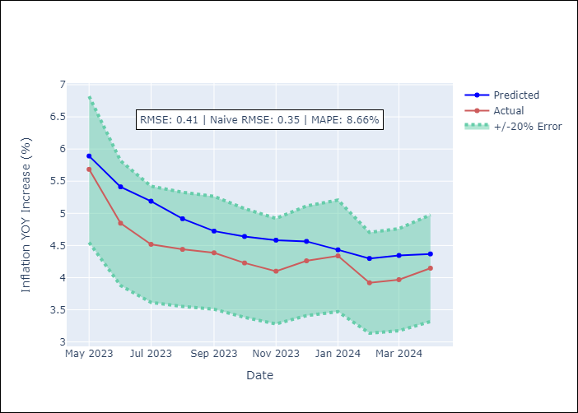

Appendix A: Model Summary
Model | ARIMA(3, 0, 0)x(2, 0, [1, 2], 12)
Sample | 01-01-2001- 04-01-2024
No. of Observations | 280
Terms | P-value (Statistical significance)
const | 0.462
ar.L1 | 0.000
ar.L2 | 0.000
ar.L3 | 0.218
ar.S.L12 | 0.882
ar.S.L24 | 0.012
ma.S.L12 | 0.003
ma.S.L24 | 0.294
sigma2 | 0.000
Assumptions | P-value

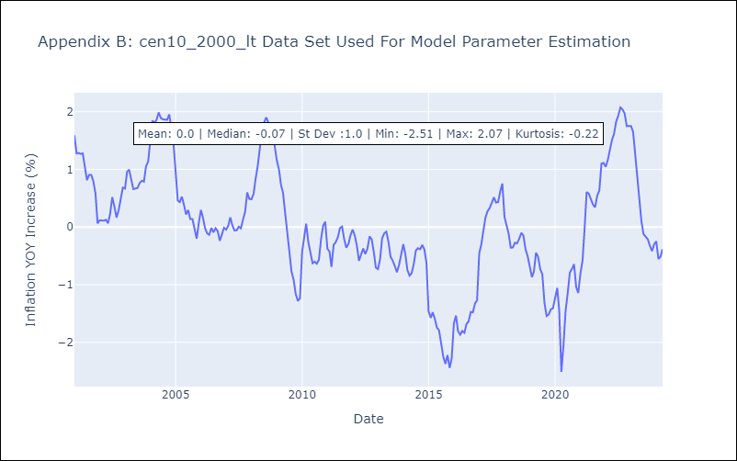

Appendix C: Residuals Analysis
Mean | 0.01

Normal? | No

CEN10
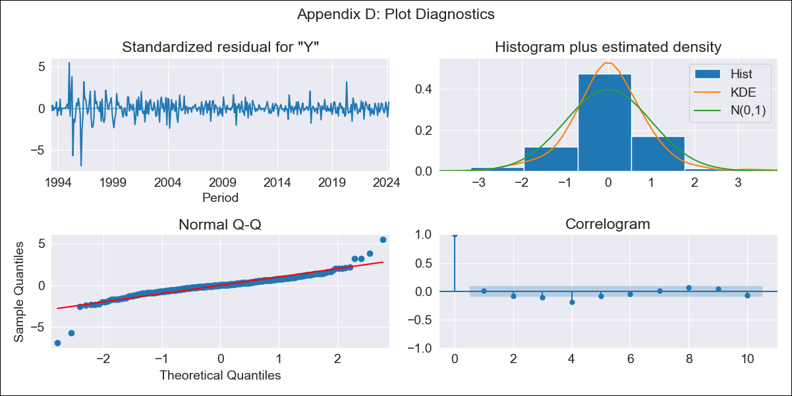
CEN10 - Inflation - Next 12 months forecast as of: 2024-04-01

Model | ARIMA - [(0, 2, 1), (1, 0, 3, 12)]
Training Data | 1990-01-01 to 2023-05-01
Test Data | 2023-05-01 to 2024-04-01

Date | Inflation Change YoY % | Lower Bound - 95% Confidence Interval | Upper Bound - 95% Confidence Interval
2024-05-01 | 4.55 | 3.77 | 5.32
2024-06-01 | 4.94 | 3.19 | 6.69
2024-07-01 | 5.2 | 2.27 | 8.14
2024-08-01 | 5.27 | 0.97 | 9.57
2024-09-01 | 5.44 | -0.39 | 11.27
2024-10-01 | 5.84 | -1.67 | 13.35
2024-11-01 | 6.35 | -2.97 | 15.67
2024-12-01 | 6.58 | -4.68 | 17.83
2025-01-01 | 6.76 | -6.54 | 20.07
2025-02-01 | 7.29 | -8.18 | 22.76
2025-03-01 | 7.74 | -10 | 25.48
2025-04-01 | 7.89 | -12.22 | 28

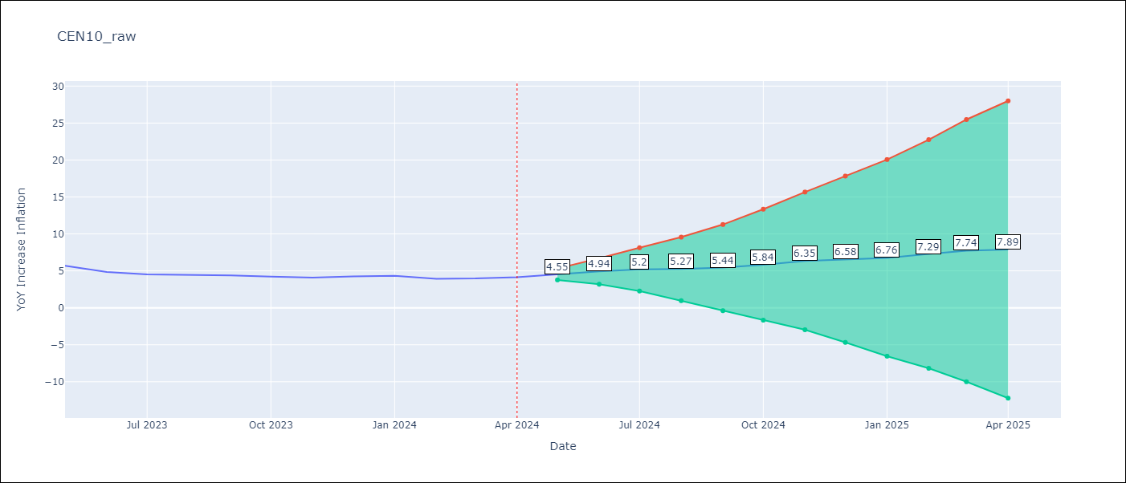

Test Metrics
RMSE | 0.3
Naive RMSE | 0.35
MAPE | 6.31%

Test Predictions
Date | Predicted | Actual
2023-05-01 | 5.87 | 5.68
2023-06-01 | 5.3 | 4.85
2023-07-01 | 5 | 4.52
2023-08-01 | 4.73 | 4.44
2023-09-01 | 4.54 | 4.39
2023-10-01 | 4.46 | 4.23
2023-11-01 | 4.49 | 4.1
2023-12-01 | 4.5 | 4.26
2024-01-01 | 4.42 | 4.34
2024-02-01 | 4.27 | 3.92
2024-03-01 | 4.34 | 3.97
2024-04-01 | 4.22 | 4.15



Appendix A: Model Summary
Model | ARIMA(0, 2, 1)x(1, 0, [1, 2, 3], 12)
Sample | 01-01-1990- 04-01-2024
No. of Observations | 412
Terms | P-value (Statistical significance)
ma.L1 | 0.455
ar.S.L12 | 0.000
ma.S.L12 | 0.000
ma.S.L24 | 0.000
ma.S.L36 | 0.000
sigma2 | 0.000
Assumptions | P-value

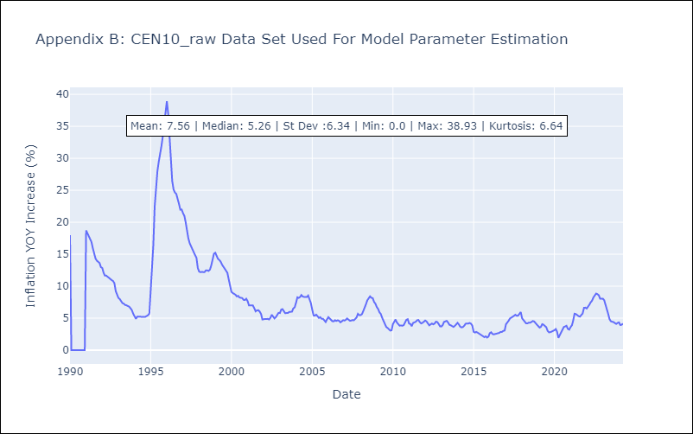

Appendix C: Residuals Analysis
Mean | 0.01

Normal? | No

R01
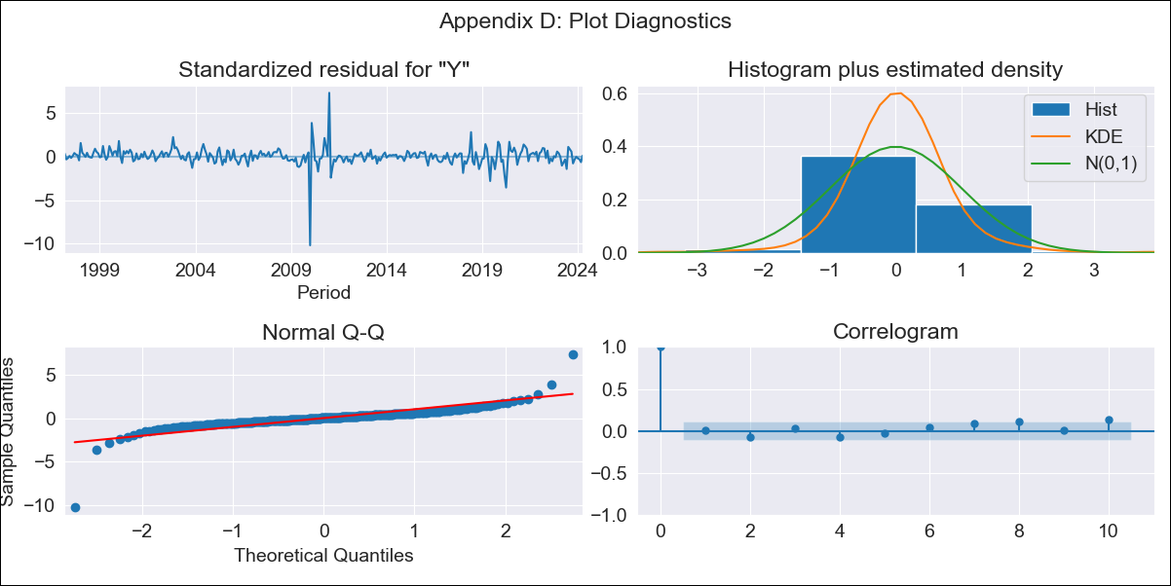
R01 - Inflation - Next 12 months forecast as of: 2024-04-01

Model | ARIMA - [(2, 0, 1), (0, 0, 1, 12)]
Training Data | 1996-01-01 to 2023-05-01
Test Data | 2023-05-01 to 2024-04-01

Date | Inflation Change YoY % | Lower Bound - 95% Confidence Interval | Upper Bound - 95% Confidence Interval
2024-05-01 | 3.99 | 3.47 | 4.59
2024-06-01 | 3.95 | 3.18 | 4.9
2024-07-01 | 3.95 | 2.97 | 5.23
2024-08-01 | 3.97 | 2.8 | 5.58
2024-09-01 | 3.99 | 2.66 | 5.93
2024-10-01 | 4.01 | 2.54 | 6.27
2024-11-01 | 4.05 | 2.44 | 6.61
2024-12-01 | 4.09 | 2.36 | 6.95
2025-01-01 | 4.13 | 2.3 | 7.27
2025-02-01 | 4.18 | 2.25 | 7.58
2025-03-01 | 4.22 | 2.21 | 7.87
2025-04-01 | 4.28 | 2.19 | 8.16

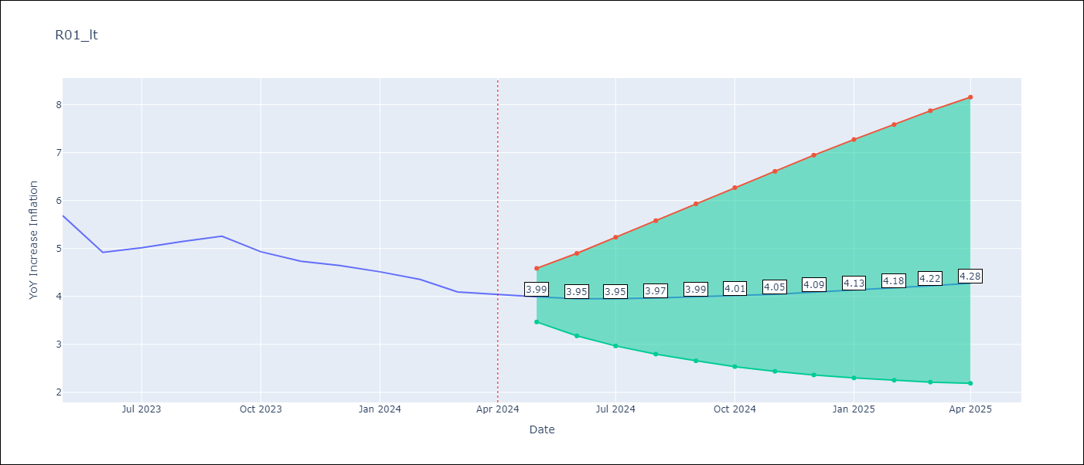

Test Metrics
RMSE | 0.3
Naive RMSE | 0.3
MAPE | 4.95%

Test Predictions
Date | Predicted | Actual
2023-05-01 | 5.83 | 5.69
2023-06-01 | 5.61 | 4.92
2023-07-01 | 5.39 | 5.02
2023-08-01 | 5.2 | 5.14
2023-09-01 | 5.04 | 5.26
2023-10-01 | 4.9 | 4.93
2023-11-01 | 4.79 | 4.73
2023-12-01 | 4.7 | 4.64
2024-01-01 | 4.62 | 4.51
2024-02-01 | 4.56 | 4.35
2024-03-01 | 4.5 | 4.09
2024-04-01 | 4.45 | 4.04

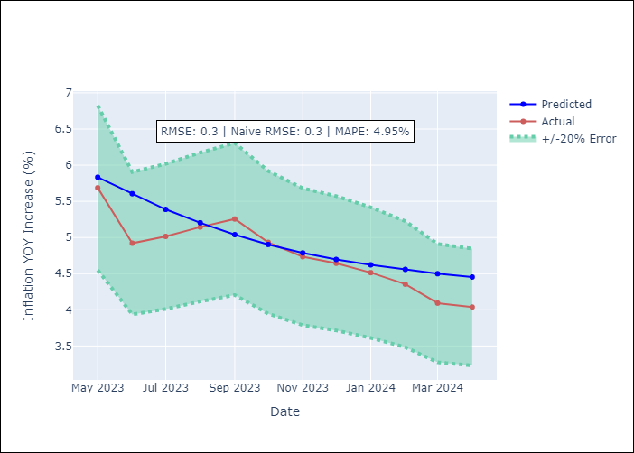

Appendix A: Model Summary
Model | ARIMA(2, 0, 1)x(0, 0, 1, 12)
Sample | 01-01-1996- 04-01-2024
No. of Observations | 340
Terms | P-value (Statistical significance)
const | 0.427
ar.L1 | 0.000
ar.L2 | 0.000
ma.L1 | 0.000
ma.S.L12 | 0.000
sigma2 | 0.000
Assumptions | P-value

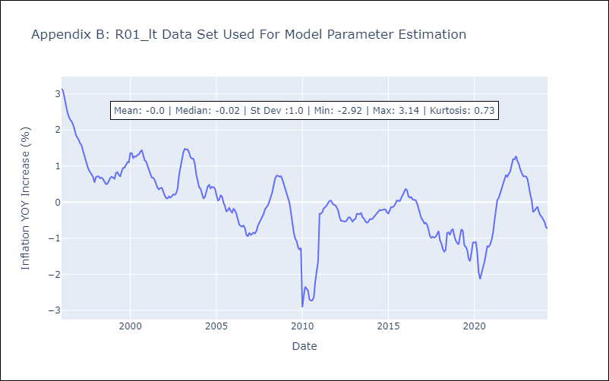

Appendix C: Residuals Analysis
Mean | 0.01

Normal? | No

R02
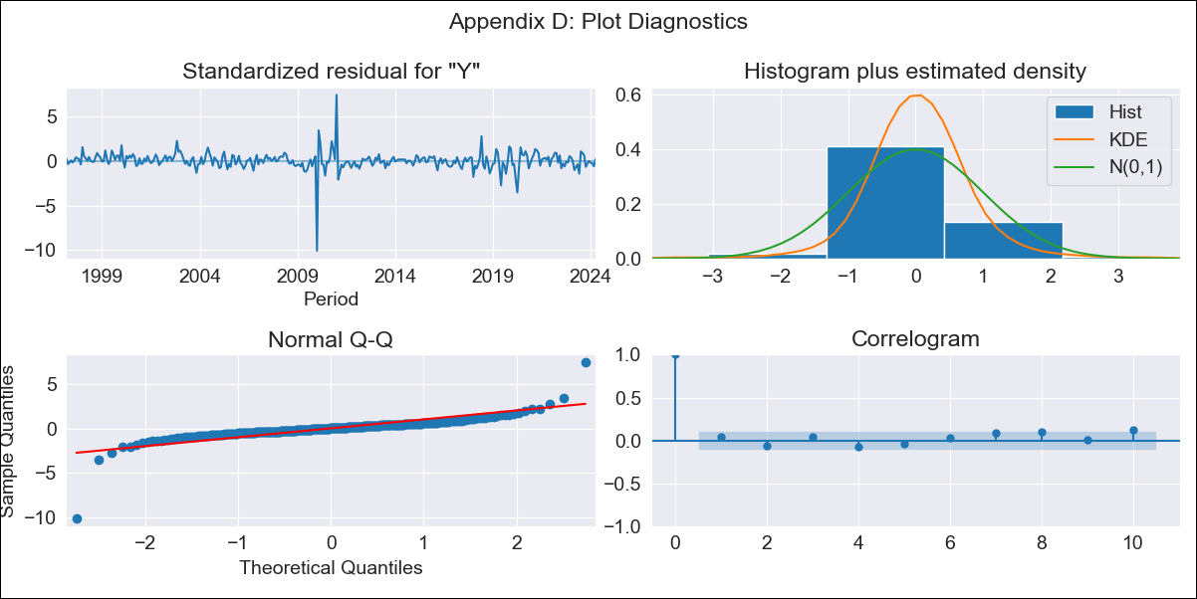
R02 - Inflation - Next 12 months forecast as of: 2024-04-01

Model | ARIMA - [(2, 0, 1), (0, 0, 1, 12)]
Training Data | 1996-01-01 to 2023-05-01
Test Data | 2023-05-01 to 2024-04-01

Date | Inflation Change YoY % | Lower Bound - 95% Confidence Interval | Upper Bound - 95% Confidence Interval
2024-05-01 | 4.03 | 3.49 | 4.64
2024-06-01 | 3.98 | 3.19 | 4.93
2024-07-01 | 3.96 | 2.98 | 5.24
2024-08-01 | 3.96 | 2.8 | 5.55
2024-09-01 | 3.97 | 2.65 | 5.87
2024-10-01 | 3.98 | 2.52 | 6.18
2024-11-01 | 4 | 2.41 | 6.49
2024-12-01 | 4.03 | 2.32 | 6.8
2025-01-01 | 4.06 | 2.25 | 7.11
2025-02-01 | 4.09 | 2.19 | 7.41
2025-03-01 | 4.13 | 2.14 | 7.7
2025-04-01 | 4.17 | 2.1 | 7.99

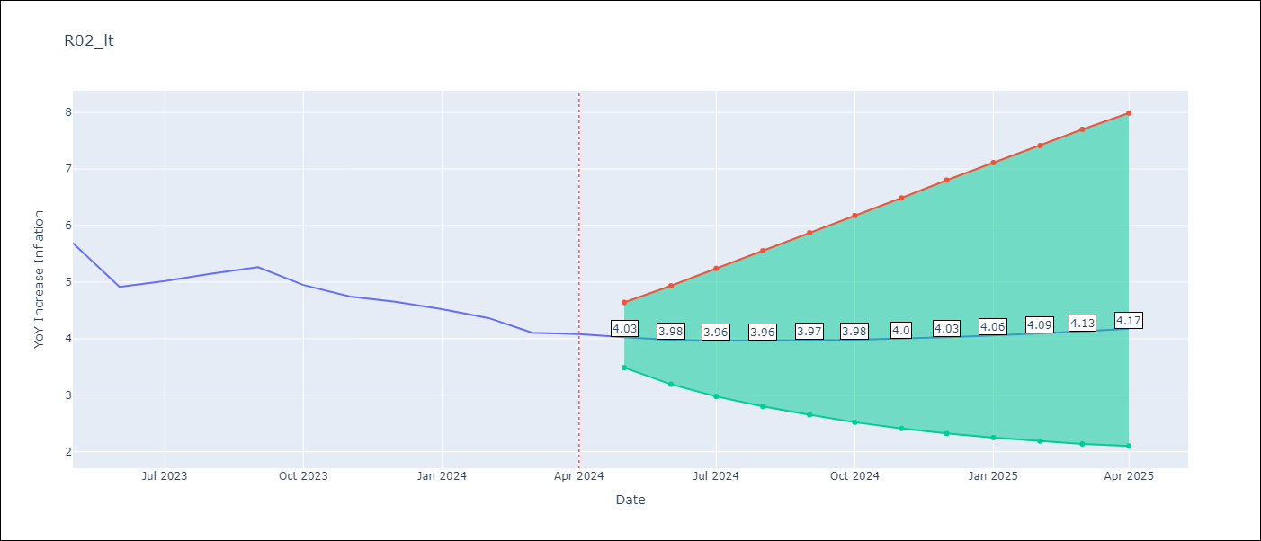

Test Metrics
RMSE | 0.31
Naive RMSE | 0.3
MAPE | 5.13%

Test Predictions
Date | Predicted | Actual
2023-05-01 | 5.84 | 5.69
2023-06-01 | 5.62 | 4.92
2023-07-01 | 5.4 | 5.02
2023-08-01 | 5.22 | 5.15
2023-09-01 | 5.06 | 5.27
2023-10-01 | 4.92 | 4.95
2023-11-01 | 4.81 | 4.75
2023-12-01 | 4.72 | 4.65
2024-01-01 | 4.65 | 4.52
2024-02-01 | 4.59 | 4.36
2024-03-01 | 4.53 | 4.11
2024-04-01 | 4.49 | 4.08



Appendix A: Model Summary
Model | ARIMA(2, 0, 1)x(0, 0, 1, 12)
Sample | 01-01-1996- 04-01-2024
No. of Observations | 340
Terms | P-value (Statistical significance)
const | 0.386
ar.L1 | 0.000
ar.L2 | 0.000
ma.L1 | 0.000
ma.S.L12 | 0.000
sigma2 | 0.000
Assumptions | P-value

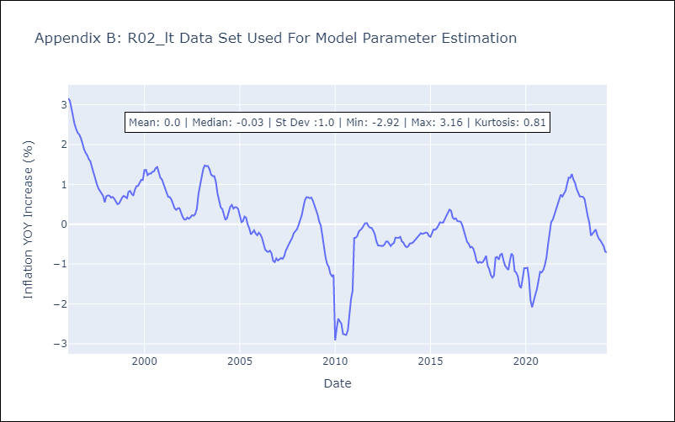

Appendix C: Residuals Analysis
Mean | 0.01

Normal? | No

R07
R07 - Inflation - Next 12 months forecast as of: 2023-12-01

Model | ARIMA - [(0, 0, 1), (3, 0, 1, 12)]
Training Data | 1991-01-01 to 2023-01-01
Test Data | 2023-01-01 to 2023-12-01

Date | Inflation Change YoY % | Lower Bound - 95% Confidence Interval | Upper Bound - 95% Confidence Interval
2024-01-01 | 5.06 | 2.71 | 7.42
2024-02-01 | 6.1 | 2.95 | 9.25
2024-03-01 | 6.19 | 3.04 | 9.34
2024-04-01 | 6.34 | 3.19 | 9.49
2024-05-01 | 6.18 | 3.03 | 9.33
2024-06-01 | 6.11 | 2.96 | 9.25
2024-07-01 | 6.04 | 2.9 | 9.19
2024-08-01 | 6.03 | 2.88 | 9.17
2024-09-01 | 5.82 | 2.67 | 8.97
2024-10-01 | 5.82 | 2.68 | 8.97
2024-11-01 | 5.95 | 2.81 | 9.1
2024-12-01 | 5.92 | 2.77 | 9.07



Test Metrics
RMSE | 1.66
Naive RMSE | 0.53
MAPE | 28.61%

Test Predictions
Date | Predicted | Actual
2023-01-01 | 6.12 | 7.72
2023-02-01 | 4.31 | 7.37
2023-03-01 | 4.69 | 6.37
2023-04-01 | 4.86 | 5.59
2023-05-01 | 5.09 | 5.34
2023-06-01 | 5.18 | 5.21
2023-07-01 | 5.47 | 4.83
2023-08-01 | 5.56 | 4.76
2023-09-01 | 5.88 | 4.5
2023-10-01 | 6.11 | 3.63
2023-11-01 | 6.05 | 3.85
2023-12-01 | 5.91 | 3.95

Appendix A: Model Summary
Model | ARIMA(0, 0, 1)x(3, 0, 1, 12)
Sample | 01-01-1991- 12-01-2023
No. of Observations | 396
Terms | P-value (Statistical significance)
const | 0.000
ma.L1 | 0.000
ar.S.L12 | 0.000
ar.S.L24 | 0.055
ar.S.L36 | 0.000
ma.S.L12 | 1.000
sigma2 | 1.000
Assumptions | P-value

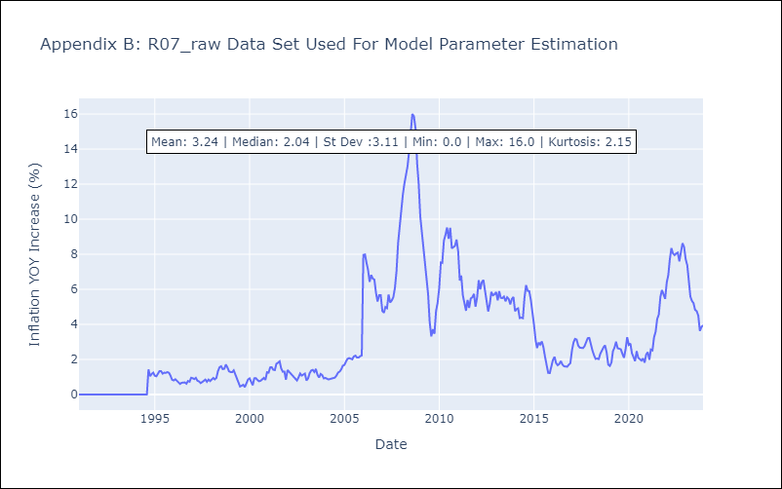

Appendix C: Residuals Analysis
Mean | -0.19

Normal? | No

SUR10
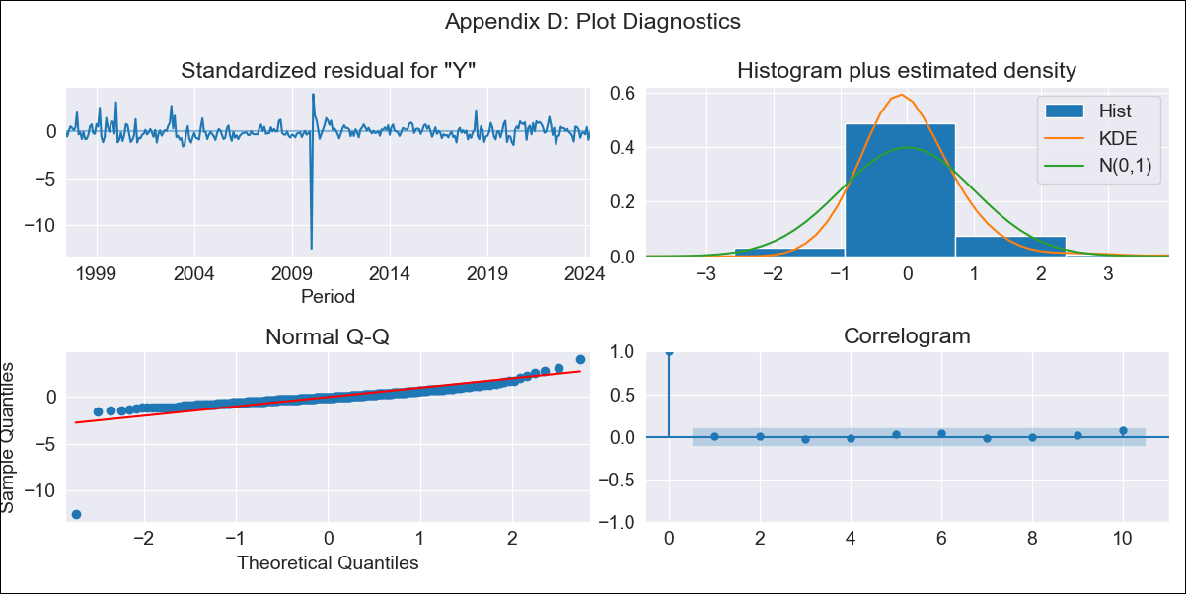
SUR10 - Inflation - Next 12 months forecast as of: 2024-04-01

Model | ARIMA - [(1, 2, 2), (1, 0, 1, 12)]
Training Data | 1996-01-01 to 2023-05-01
Test Data | 2023-05-01 to 2024-04-01

Date | Inflation Change YoY % | Lower Bound - 95% Confidence Interval | Upper Bound - 95% Confidence Interval
2024-05-01 | 4.07 | 3.37 | 4.81
2024-06-01 | 4.3 | 3.19 | 5.53
2024-07-01 | 4.2 | 2.75 | 5.86
2024-08-01 | 4.06 | 2.32 | 6.14
2024-09-01 | 3.98 | 1.97 | 6.45
2024-10-01 | 4.1 | 1.81 | 7.01
2024-11-01 | 4.13 | 1.59 | 7.46
2024-12-01 | 4.15 | 1.39 | 7.88
2025-01-01 | 4.24 | 1.24 | 8.38
2025-02-01 | 4.12 | 0.98 | 8.61
2025-03-01 | 4.35 | 0.95 | 9.28
2025-04-01 | 4.42 | 0.83 | 9.74

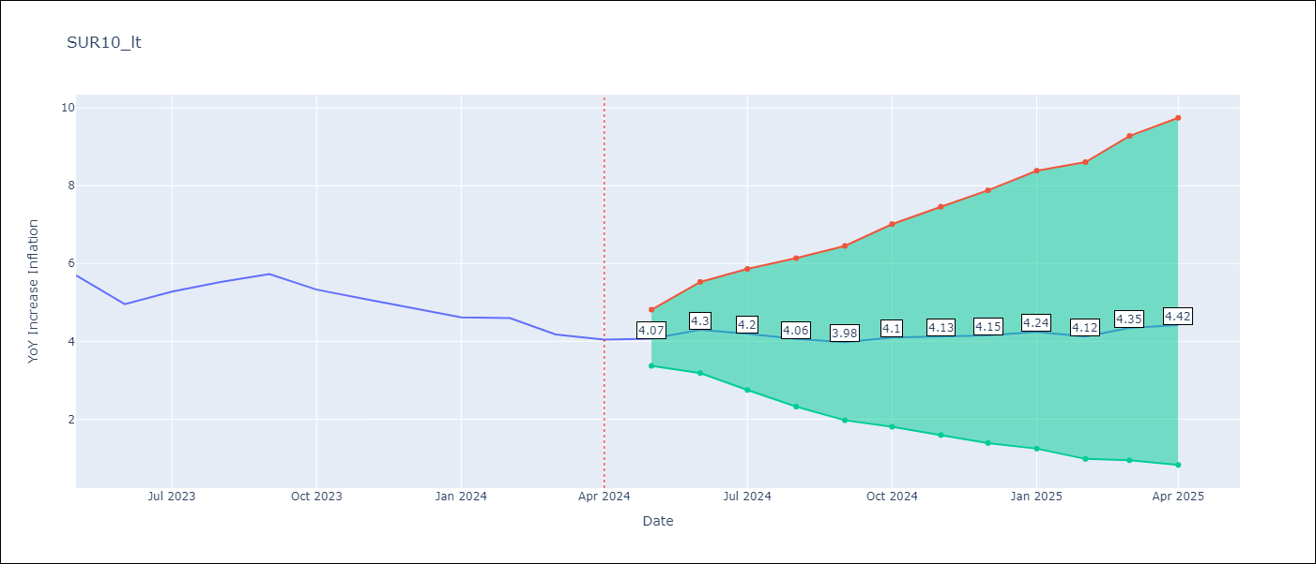

Test Metrics
RMSE | 0.79
Naive RMSE | 0.34
MAPE | 15.37%

Test Predictions
Date | Predicted | Actual
2023-05-01 | 5.89 | 5.69
2023-06-01 | 5.62 | 4.95
2023-07-01 | 5.87 | 5.28
2023-08-01 | 5.98 | 5.52
2023-09-01 | 6.1 | 5.73
2023-10-01 | 5.95 | 5.33
2023-11-01 | 5.81 | 5.09
2023-12-01 | 5.67 | 4.86
2024-01-01 | 5.58 | 4.62
2024-02-01 | 5.43 | 4.6
2024-03-01 | 5.35 | 4.18
2024-04-01 | 5.33 | 4.04

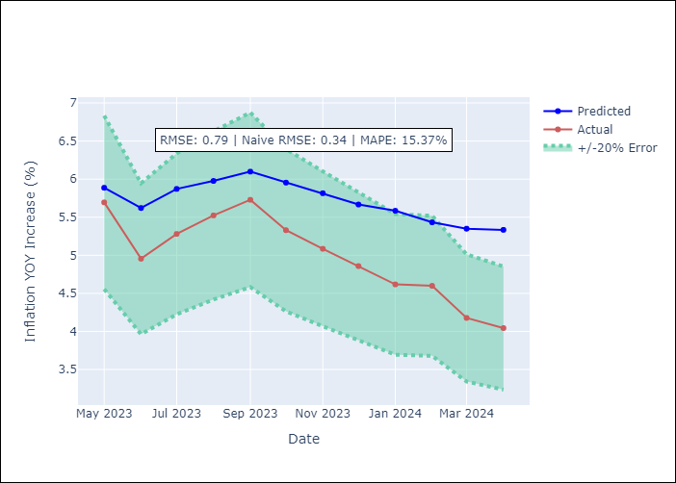

Appendix A: Model Summary
Model | ARIMA(1, 2, 2)x(1, 0, [1], 12)
Sample | 01-01-1996- 04-01-2024
No. of Observations | 340
Terms | P-value (Statistical significance)
ar.L1 | 0.000
ma.L1 | 0.942
ma.L2 | 0.962
ar.S.L12 | 0.325
ma.S.L12 | 0.000
sigma2 | 0.963
Assumptions | P-value

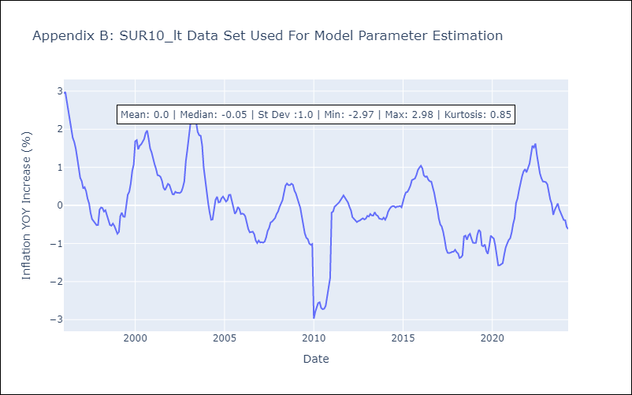

Appendix C: Residuals Analysis
Mean | 0.0

Normal? | No

